Eonar Timers + Strat
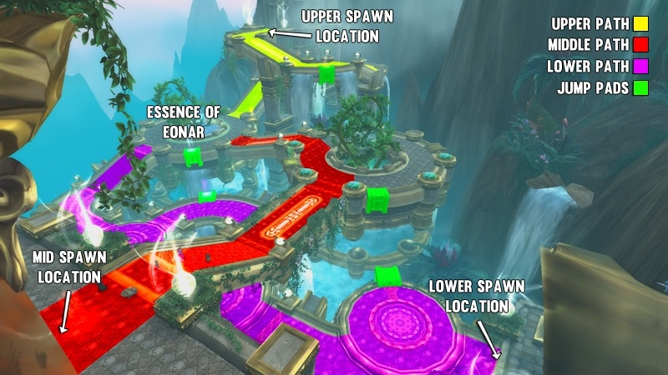
NORMAL | Timers |  |  |  |  | Heroic | Timers |  |  |  |  |  | Mythic | Timers
Time | Portal | Location | Small Add Type | Big Add Type | Strategy | Time | Portal | Location | Small Add Type | Big Add Type | Strategy | s | Time | Portal | Location | Small Add Type | Big Add Type | Strategy
0:05:00 | 1 | Middle | Felguards | Destructor | Remain as a single group whilst you kill the adds. | 0:05:00 | 1 | Middle | Felguards | Destructor | Remain as a single group whilst you kill the adds. |  | 0:05:00 | 1 | Middle | Felguards / Felhounds | Destructor | The entire raid should be together to kill off this first wave of adds.
0:45:00 | 2 | Lower | Felhounds | Destructor | Jump down from the middle path to the lower path. | 0:30:00 | 2 | Lower | Felhounds | Destructor | Jump down from the middle path to the lower path. |  | 0:39:00 | 2 | Upper | Fel Lords / Felhounds | Destructor | Group 2 should split from Group 1 and fly up to the upper path to deal with these adds.
1:45:00 | 3 | Middle | Felguards | Destructor | Use the Extra Action Button or nearby jump pads to return to the middle path. | 1:00:00 | 3 | Upper | Fel Lords | Destructor / Obfuscator | Use the Extra Action Button & nearby jump pads to travel to the upper path. Focus down the Obfuscator. |  | 0:42:00 | 3 | Lower | Felhounds | Obfuscator | Group 1 should jump down from the Middle path and focus down the Obfuscator whilst cleaving onto the Felhounds
2:00:00 | 4 | Upper | Fel Lords | Destructor | Send the majority of the raid to this portal. Use the Extra Action Button to travel from the middle path to the upper path. | 1:50:00 | 4 | Middle | Felguards | Purifier | Have the entire raid travel to the middle platform. Tank and kill the Purifier away from the other adds. |  | 1:00:00 | Final | Doom | 1 |  | Two players from each Group should be at Eonar's location to be teleported to the ship.
2:05:00 | 5 | Lower | Felguards | N/A | A group of good AoE DPS and a healer should stay to AoE down these dogs. | 2:30:00 | 5 | Middle | Bats | N/A | A group of ranged cleave/mutli-dot DPS should intercept these bats as they fly past the middle path. A healer should remain nearby to keep these players healthy. |  | 1:05:00 | 4 | Middle | Felguards | Purifier | Group 1 should move from the Lower path to intercept the adds at middle. The Purifier should be focused down whilst the Felguards are CC'd out of range.
2:50:00 | 6 | Middle | Felguards | Obfuscator | Have the raid regroup at the middle portal after clearing both previous portals. Focus DPS onto the Obfuscator | 3:05:00 | 6 | Lower | Felguards | Destructor / Purifier | Have the majority of the raid kill off these adds. Both tanks should have a Big Add each. |  | 1:56:00 | 5 | Lower | Fel Lords / Felhounds | Destructor | Group 1 & 2 should regroup at lower to kill the adds together
3:00:00 | 7 | Middle | Bats | N/A | A group of ranged cleave/mutli-dot DPS should intercept these bats as they fly past the middle path. A healer should remain nearby to keep these players healthy. | 3:15:00 | 7 | Upper | Felguards | N/A | A small group of strong AoE DPS should intercept and damage these adds. A Life Force will damage them severely during this time. |  | 2:21:00 | 6 | Middle | Fel Lords | Purifier | Group 1 should abandon Group 2 and deal with the adds at middle.
3:45:00 | 8 | Lower | Fel Lords | Destructor | All remaining players should focus on killing these adds flowing from the lower portal. Bloodlust is great here! | 3:40:00 | 8 | Middle | Felguards / Fel Lords / Felhounds | Purifier / Obfuscator | The raid should regroup at the middle path and focus down the Obfuscator whilst tanking the Purifier away from any little adds. |  | 2:35:00 | 7 | Upper | Felhounds | N/A | Group 2 should travel from Lower to Upper to CC and kill these adds quickly.
4:20:00 | 9 | Middle | Felhounds / Fel Lords | Destructor | Have the raid regroup at the upper portal after clearing both previous portals. | 4:35:00 | 9 | Upper | Bats | N/A | A group of ranged cleave/mutli-dot DPS should intercept these bats as they fly past the middle path. A healer should remain nearby to keep these players healthy. |  | 3:15:00 | Final | Doom | 2 |  | Two players from each Group should be at Eonar's location to be teleported to the ship.
5:00:00 | 10 | Lower | N/A | Destructor | The raid should quickly fly over to these adds and kill them off. Then the final Life Force will be cast and the encounter will end! | 5:15:00 | 10 | Middle | Fel Lords | Destructor | Half of the raid should fight off the adds at the upper portal. Once the adds are dead, the group should head to Eonar and kill off any remaining bats. |  | 3:30:00 | 8 | Middle | Bats | N/A | Bat assigned DPS should intercept and kill the bats as they travel past the Middle path.
 |  |  |  |  |  | 5:15:00 | 11 | Middle | Fel Lords | Destructor | The other evenly split half of the raid should fight off the adds at the middle portal. Once the adds are dead, the group should head to Eonar and kill off any remaining bats. |  | 3:30:00 | 9 | Lower | Felguards | Purifier | Group 1 & 2 should regroup at lower to kill the adds together
 |  |  |  |  |  | 5:20:00 | 12 | Lower | N/A | Obfuscator | This add should be ignored, as the fight should be over by the time it reaches Eonar. |  | 4:45:00 | Final | Doom | 3 |  | Two players from each Group should be at Eonar's location to be teleported to the ship.
 |  |  |  |  |  |  |  |  |  |  |  |  | 4:45:00 | 10 | Middle | Bats | N/A | Bat assigned DPS should intercept and kill the bats as they travel past the Middle path.
 |  |  |  |  |  |  |  |  |  |  |  |  | 4:45:00 | 11 | Middle | Fel Lord | Obfuscator | Groups 1 & 2 should kill off the adds from this portal, whilst helping DPS the bats flying nearby.
 |  |  |  |  |  |  |  |  |  |  |  |  | 5:07:00 | 12 | Lower | Felhounds | N/A | Group 1 DPS should slow and kill these before returning to middle to finish off any leftover Fel Lords
 |  |  |  |  |  |  |  |  |  |  |  |  | 5:37:00 | 13 | Upper | Felguards / Felhounds | Obfuscator/Purifier | Group 2 should split from Group 1 and go to Upper. After killing the Obfuscator, the group needs to quickly switch to the Purifier and little adds.
 |  |  |  |  |  |  |  |  |  |  |  |  | 6:30:00 | Final | Doom | 4 |  | Two players from each Group should be at Eonar's location to be teleported to the ship.
 |  |  |  |  |  |  |  |  |  |  |  |  | 6:30:00 | 14 | Middle | Bats | N/A | Bat assigned DPS should intercept and kill the bats as they travel past the Middle path.
 |  |  |  |  |  |  |  |  |  |  |  |  | 6:53:00 | 15 | Middle | Fel Lords | Destructor | Group 1 should focus down the Destructor before killing off the Fel Lords.
 |  |  |  |  |  |  |  |  |  |  |  |  | 7:06:00 | 16 | Lower | Fel Lords | Obfuscator | These adds should be killed by Group 1 after they have finished dealing with the previous portal (15)
 |  |  |  |  |  |  |  |  |  |  |  |  | 7:21:00 | 17 | Upper | Fel Lords | Destructor | Group 2 should focus down the Destructor before killing off the Fel Lords.

